Goals
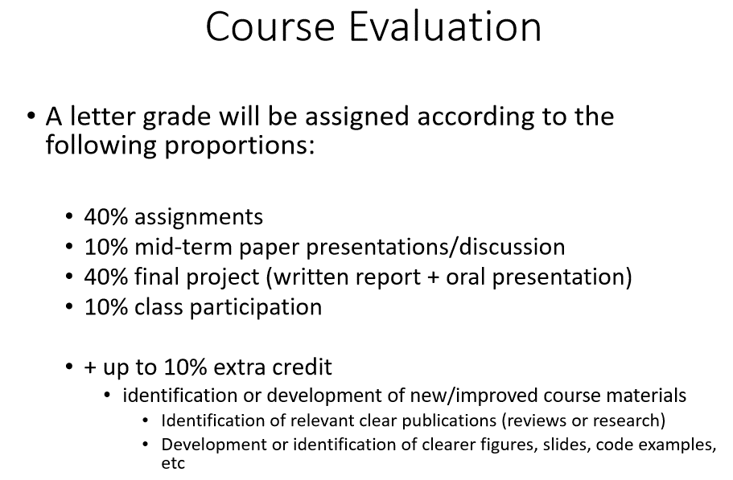

25 - 30 mins
discuss 3-6 main points

syllabus

goals
3 interesting paper abstracts w/ full access
quick rough outline
pick one (detail) - 2 backups

detailed outline
goal
context - previous research
concepts/vocab
proof/argument
conclusion

google - expert knowledge systems
journal databases
popular papers

quick highlight and summary

1 best - details

summary
slides

